QUEUE
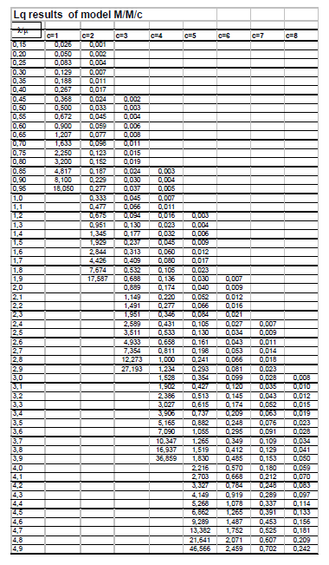
200
A
D
Output=O
 | MAKE SURE TO SAVE CONTINUOUSLY
 | QUESTION 1 OF QUEUEING THEORY
OPTION 1
STAGE 1
STAGE 2
STAGE 3

B =0.08A
C =0.05*(200-0.08A)+0.15*0.08*A

Input=I
A
B
D
STAGE 3
Output=O
OPTION 2
STAGE 1
STAGE 2

C

E

Input=I
A
D
Output=O
OPTION 3
STAGE 1
STAGE 2
STAGE 3

B

C
E

Input=I
B
C
F
Output=O
OPTION 4
STAGE 1
STAGE 2
STAGE 3

A
D

E

 | Which option di you choose? Write it in the next cell | Option 1
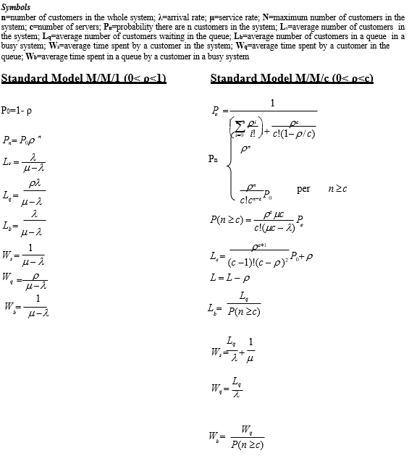
 | COMPUTE FOR QUESTION 2 OF QUEUEING THEORY
 | YOU CAN PERFORM NODES CALCULATION HERE | Input | 200
 |  | A | 200/0,92 | 217.39130435 | 200+0.08A=A
 |  | B | 0,08*A | 17.391304348
 |  | C | 0,05*(200-0.08A)+ 0,15*0,08*A | 11.739130435
 |  | D | I-C | 188.26086957

 | INSERT YOUR COMPUTATION
 |  |  | stage 1 | stage 2 | stage3
 | µ | computation
 |  | Value | 240 | 150 | 120
 |  | computation
$$γ$$
 |  | Value | 217.39130435 | 200 | 94.130434783
 | Queue Type | Text | M/M/1 | M/M/2 | 2M/M/1
 | Ws minutes | computation | 1/(µ-λ) | Lq=0.951 or 1.345 with no extrapolation, c=2, rho=1.333
 |  | Value | 21.230769231 | 5.4824 | 18.554621849
$ρ$
 |  | computation
 |  | Value | 0.90579710145 | 1.3333333333 | 0.78442028986

 | NOTE

 | PLEASE INDICATE THE VALUE OF TH OUTPUT TO THE SYSTEM | 188.26086957 | 188
 | MAKE SURE TO SAVE CONTINUOUSLY
 | COMPUTE FOR QUESTION 3 OF QUEUEING THEORY

 | Please insert as many raws and columns you need to compute all the paths and insert the names of the stages
 |  |  |  |  |  |  | the ones registered once = all the ones that enter the system - the ones registered twice = 200 - 0.08*A
 | OCCURRENCES
 | PATHS ID | stage 1 | stage 2 | stage 1- rework | Stage 3 | Scrap | Frequency/ (Occurency) computation | Frequency result | Frequency Adj | Ws computation | Ws result
 | 1 | x | x |  | x |  | (Input-0.08A-0.05*(200-0.08*A))/200 | 0.8673913043 | 0.92147806005 | S1+S2+S3 | 45.26779108
 | 2 | x | x | x | x |  | (0.85*0.08A)/200 | 0.0739130435 | 0.078521939954 | S1+S1+S2+S3 | 66.49856031
 | 3 | x | x | x |  | x | (0.15*0.08A)/200 | 0.0130434783 |  | S1+S1+S2 | 47.943938462
 | 4 | x | x |  |  | x | (0.05*(200-0.08*A))/200 | 0.0456521739 |  | S1+S2 | 26.713169231
 | … |  |  |  |  |  |  | 1.0000000000 | 1
 | …
 | n |  |  |  |  |  |  |  |  | Total WS | 46.934872266

 |  | path 1 would include all customers that have entered the system(200) minus those registered twice(-0.08*A) and those registered once and scraped (-0.05*(200-0.8A))= Input-0.08A-0.05*(200-0.08*A)=173.478. the occurrence =173.478/200
 | Notes (optional)

